Project1210
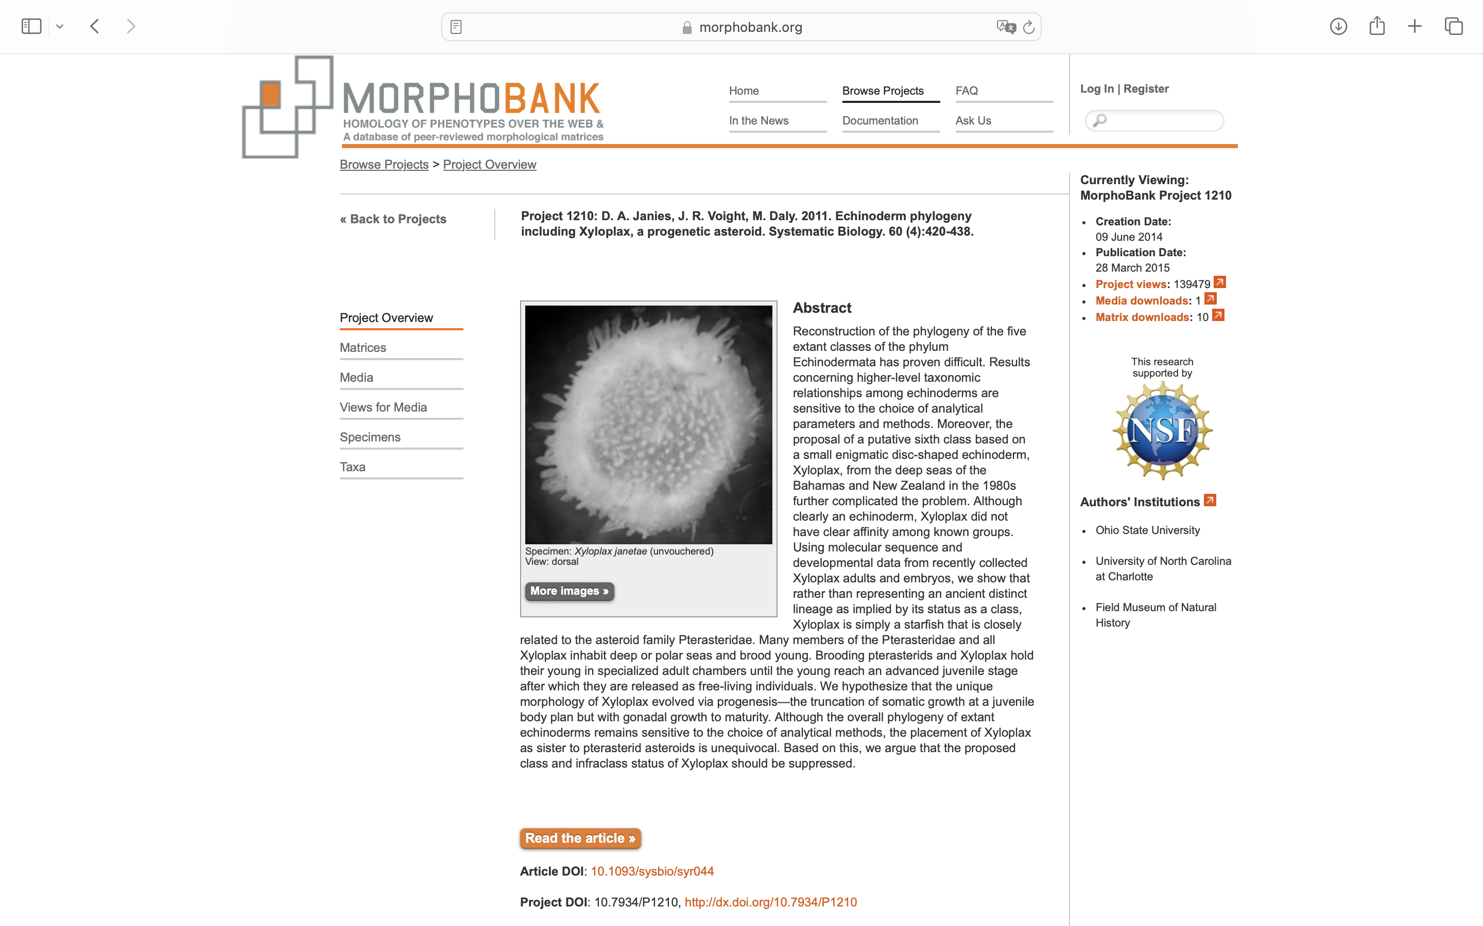
Charlabels | Character Pattern | Unseen States
[1] 'gill slits' | Neomorphic | NO
[2] 'calcitic endoskeleton' | Neomorphic | NO
[3] 'pentaradial symmetry adult' | Neomorphic | NO
[4] 'water-vascular system' | Neomorphic | NO
[5] 'ambulacral growth' | Transformational | YES
[6] 'nervous system' | Transformational | NO
[7] 'ambulacral skeleton' | Transformational | YES
[8] 'ambulacral plate addition' | Transformational | YES
[9] 'epineural sinus over radial nerve' | Neomorphic | NO
[10] 'Tiedemanns bodies' | Neomorphic | NO
[11] 'polian vesicles' | Neomorphic | NO
[12] 'ambulacral plates' | Transformational | YES
[13] 'hemal system' | Transformational | YES
[14] 'genital rachis' | Transformational | YES
[15] 'outer genital coelom surrounds gonad' | Neomorphic | NO
[16] 'hydropore external' | Transformational | NO
[17] 'perianal coelom' | Neomorphic | NO
[18] 'perihemal diverticula' | Neomorphic | NO
[19] 'expansion of lantern coelom' | Neomorphic | NO
[20] 'moveable articulated spines' | Neomorphic | NO
[21] 'growth in adult' | Transformational | YES
[22] 'tube feet with calcified disk' | Neomorphic | NO
[23] 'tubefoot with internal ampulla' | Neomorphic | NO
[24] 'circumoral water-vascular ring and nerve' | Transformational | YES
[25] 'internal skeleton on esophagus' | Neomorphic | NO
[26] 'secretory cell in tube feet' | Transformational | YES
[27] 'axial gland' | Transformational | YES
[28] 'right axial sinus' | NT?;0=0-;1=11;2=12
[29] 'muscle-ossicle tendons' | Transformational | YES
[30] 'adambulacral ossicles different' | Neomorphic | NO
[31] 'scleroblasts' | Transformational | YES
[32] 'longitudinal nerve in podia' | Neomorphic | NO
[33] 'odontophore' | Neomorphic | NO
[34] 'dorsal hollow or collar cord' | Neomorphic | NO
[35] 'imperforate extraxial skeleton' | Neomorphic | NO
[36] 'pinnules' | Neomorphic | NO

